Figures
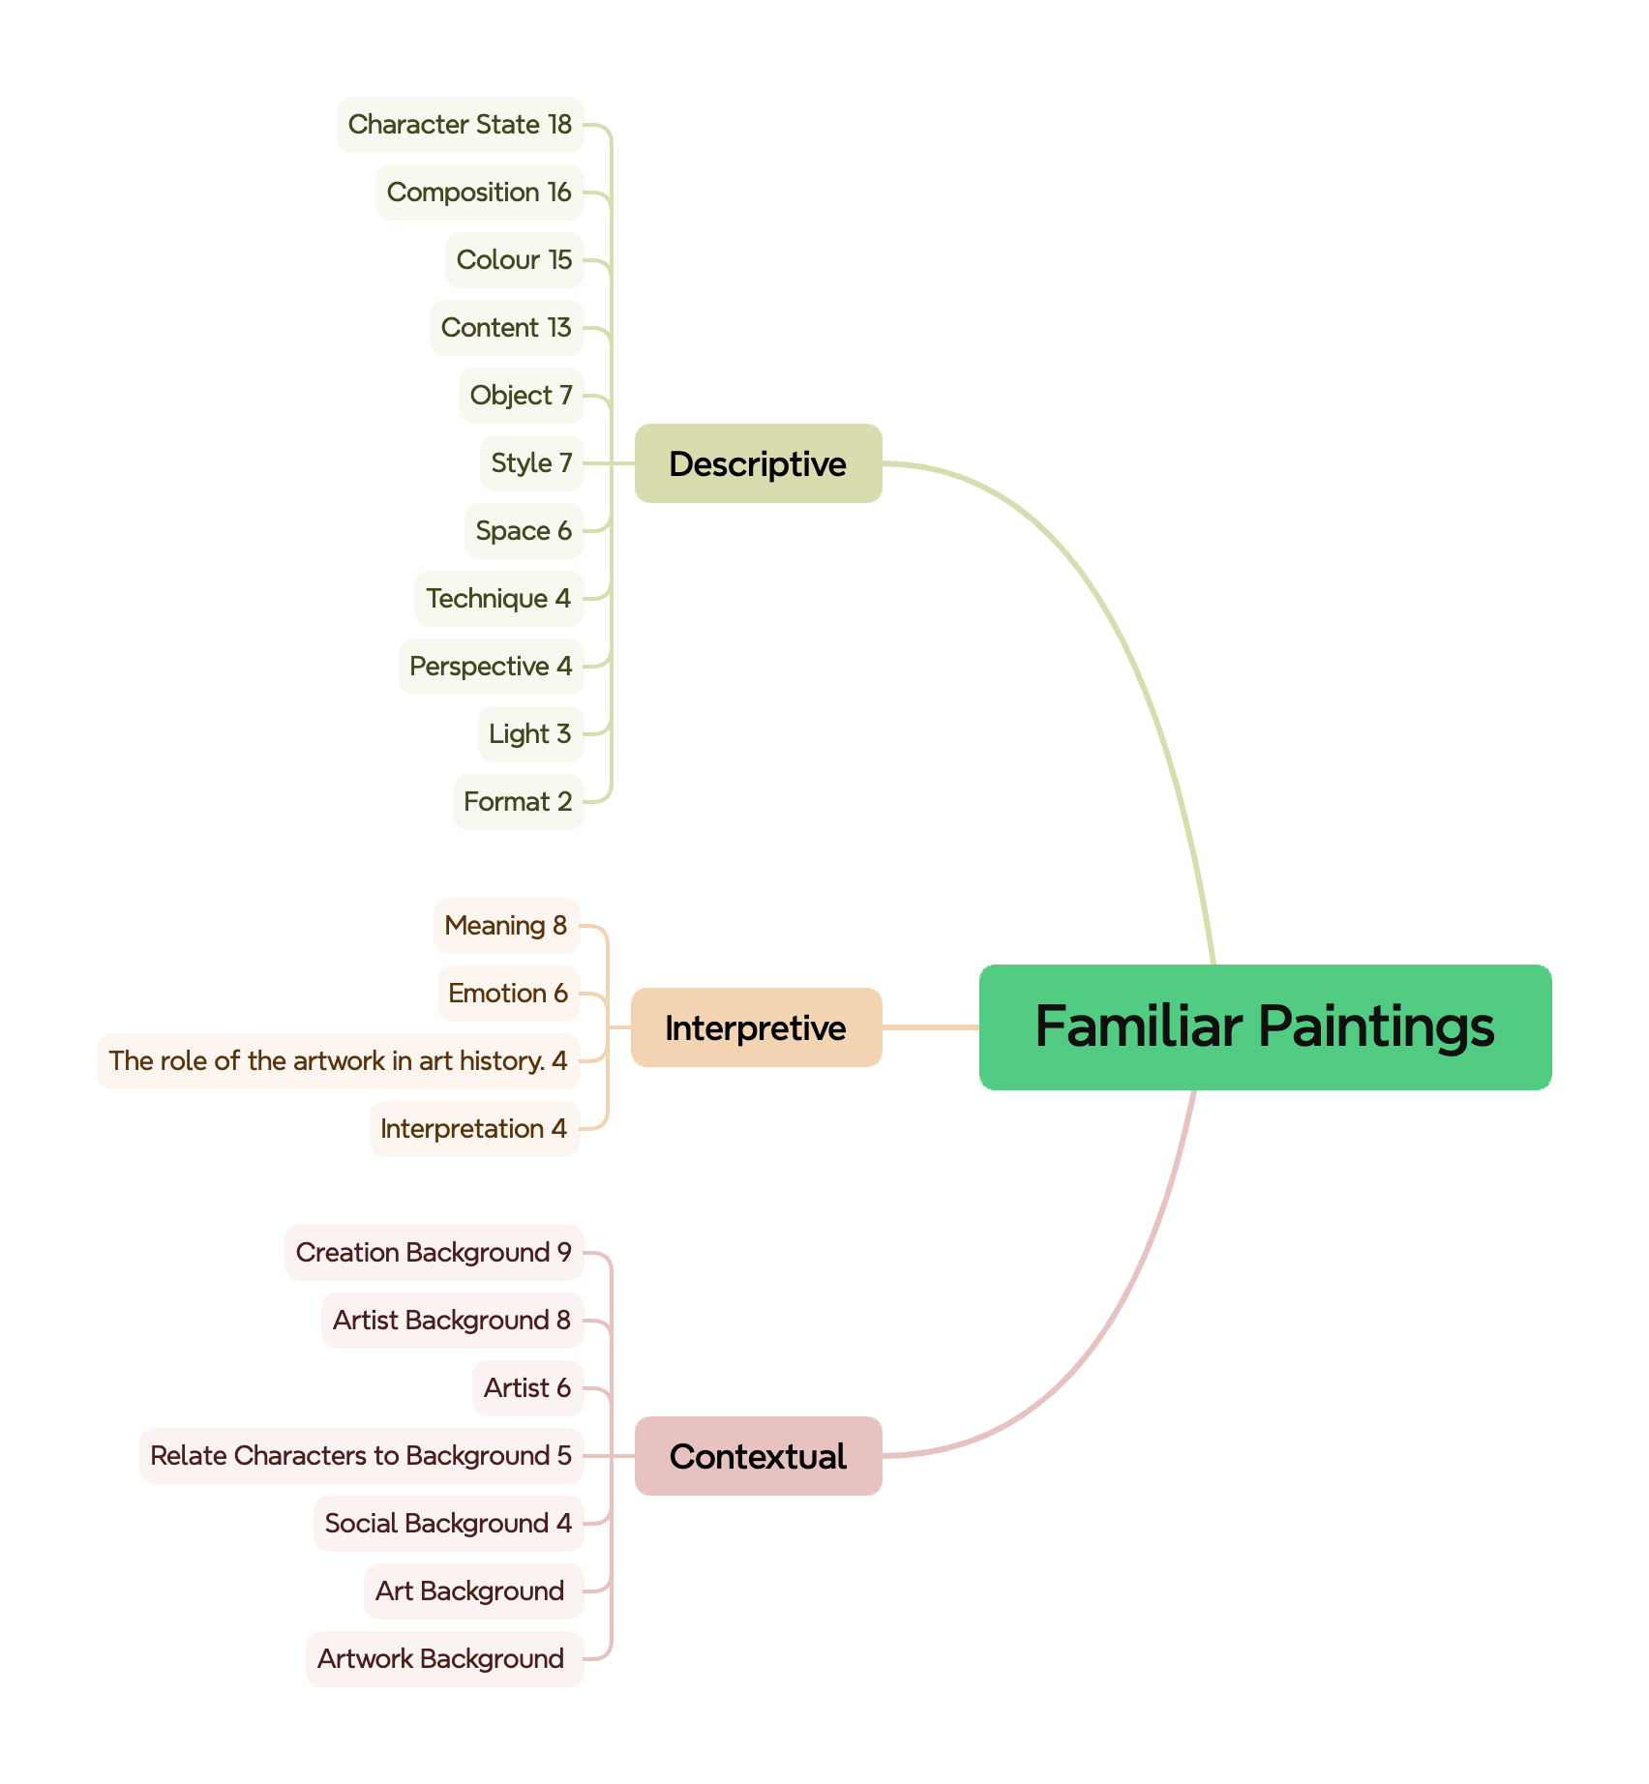
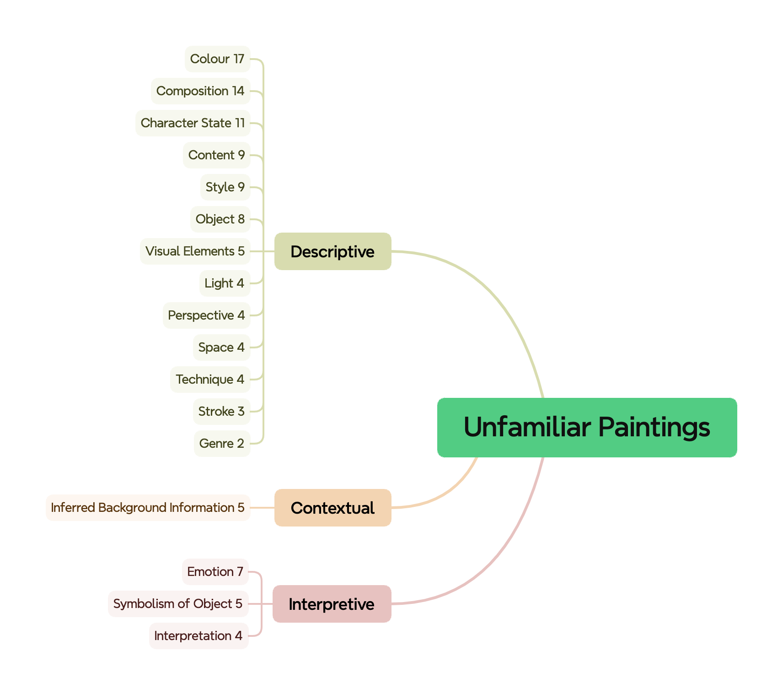
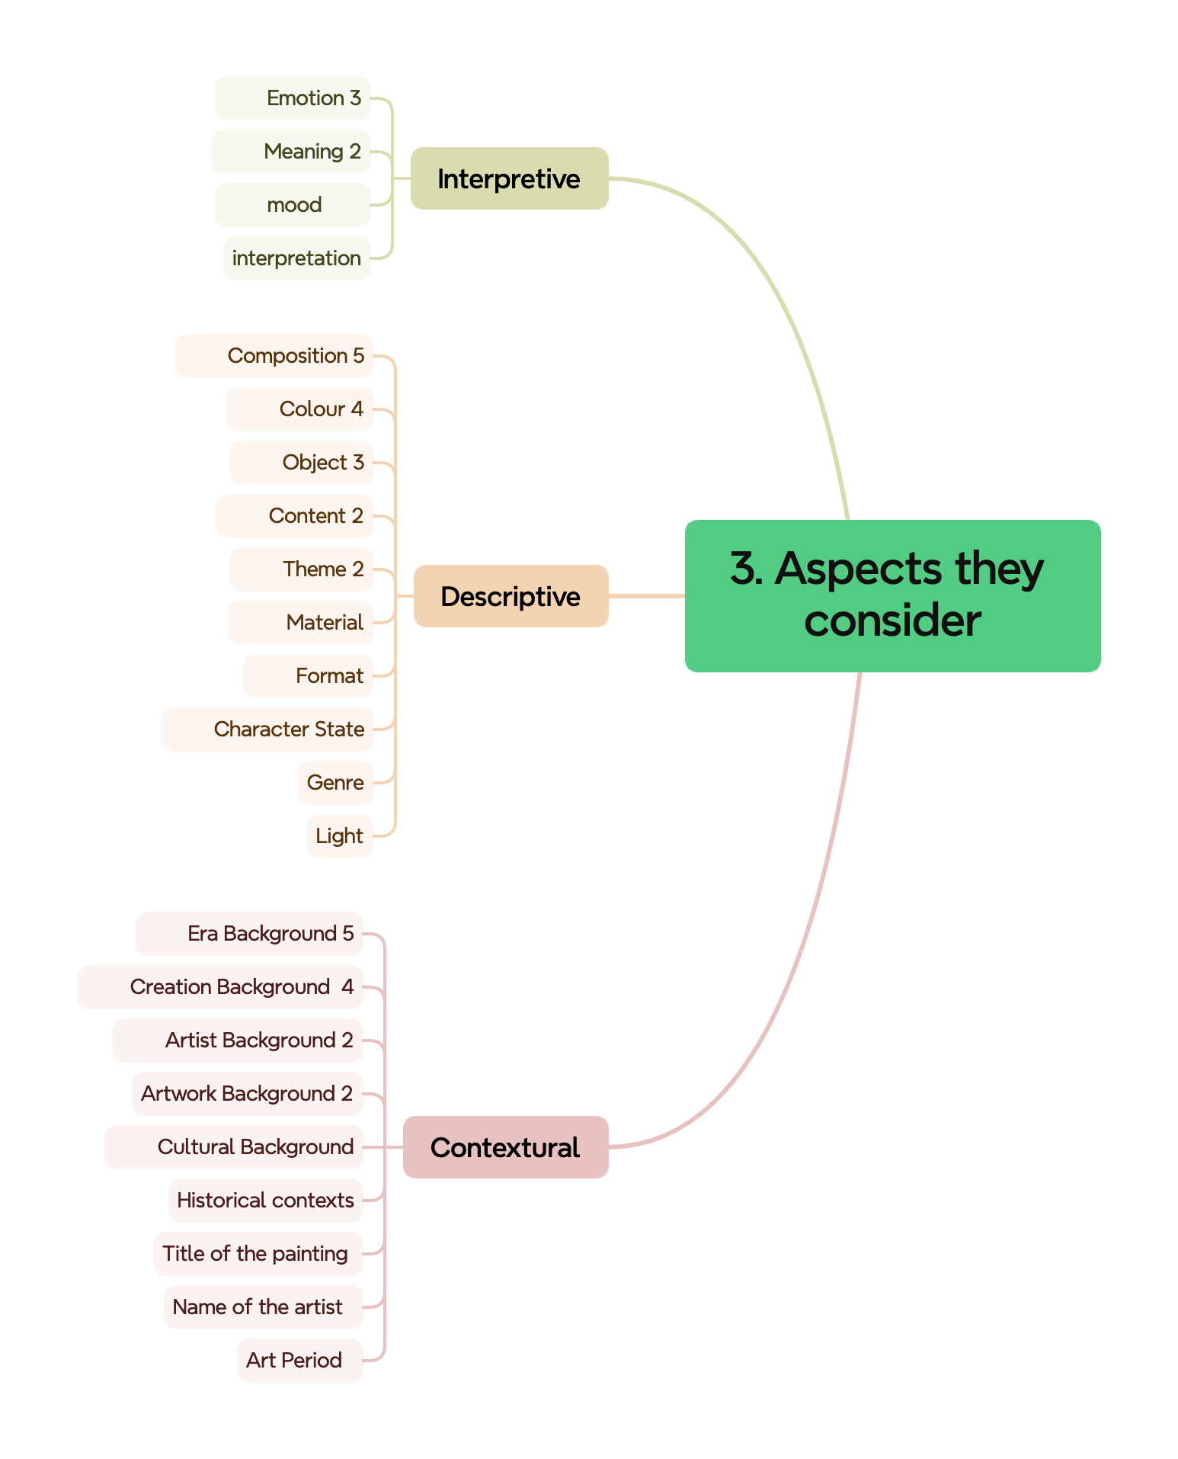
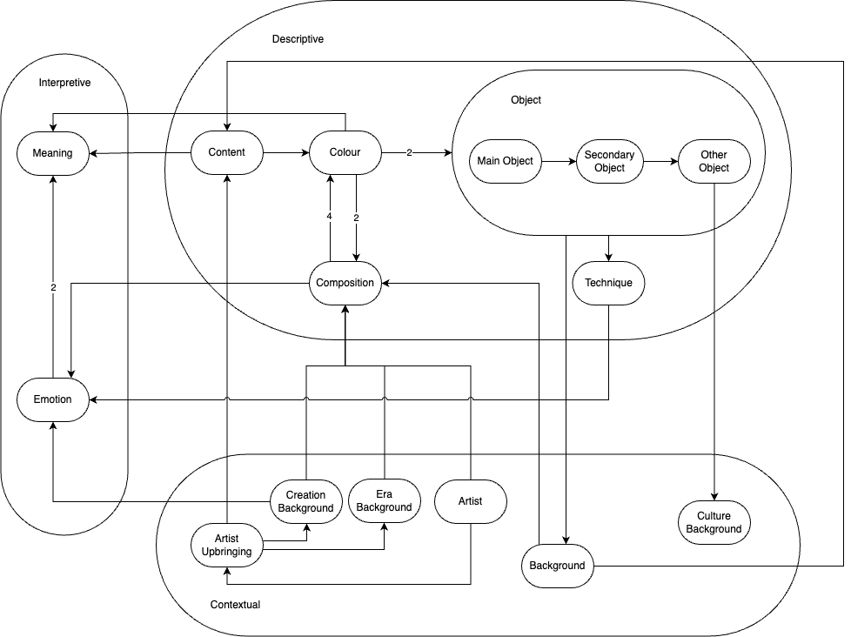
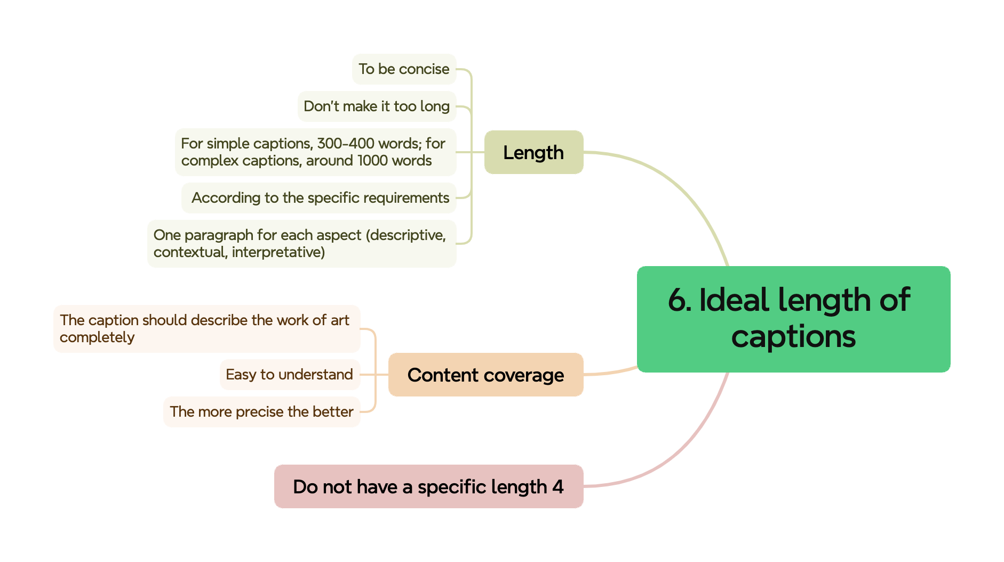
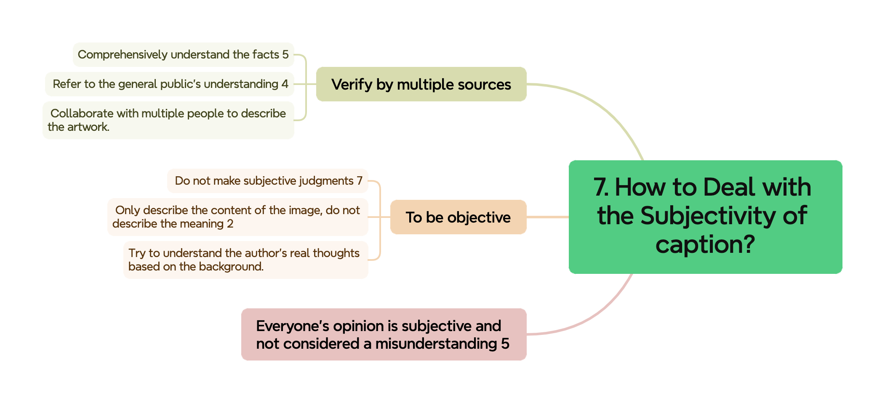
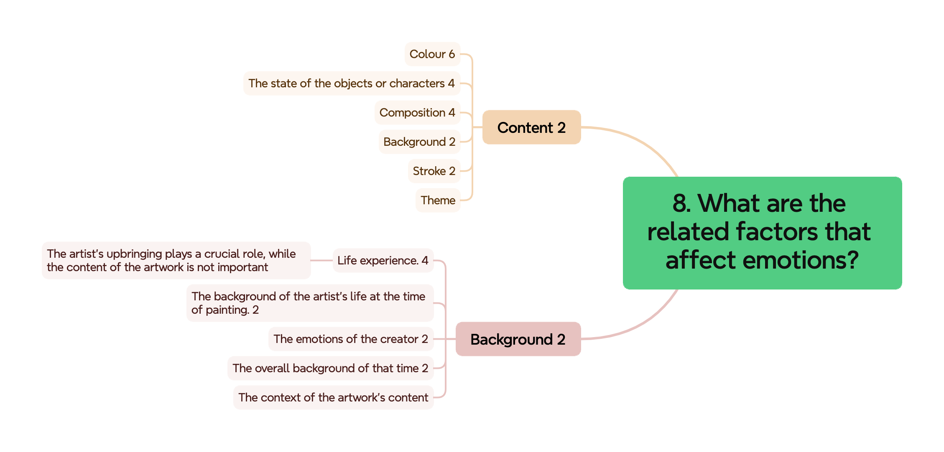
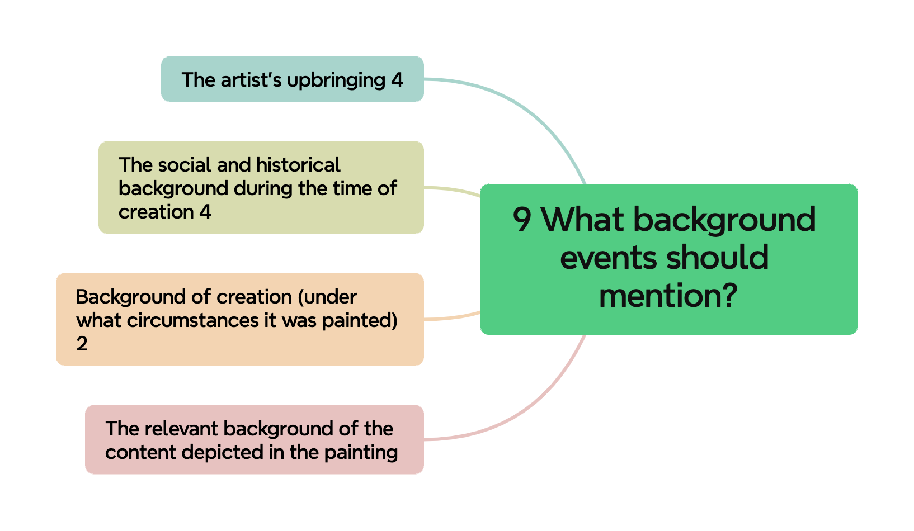
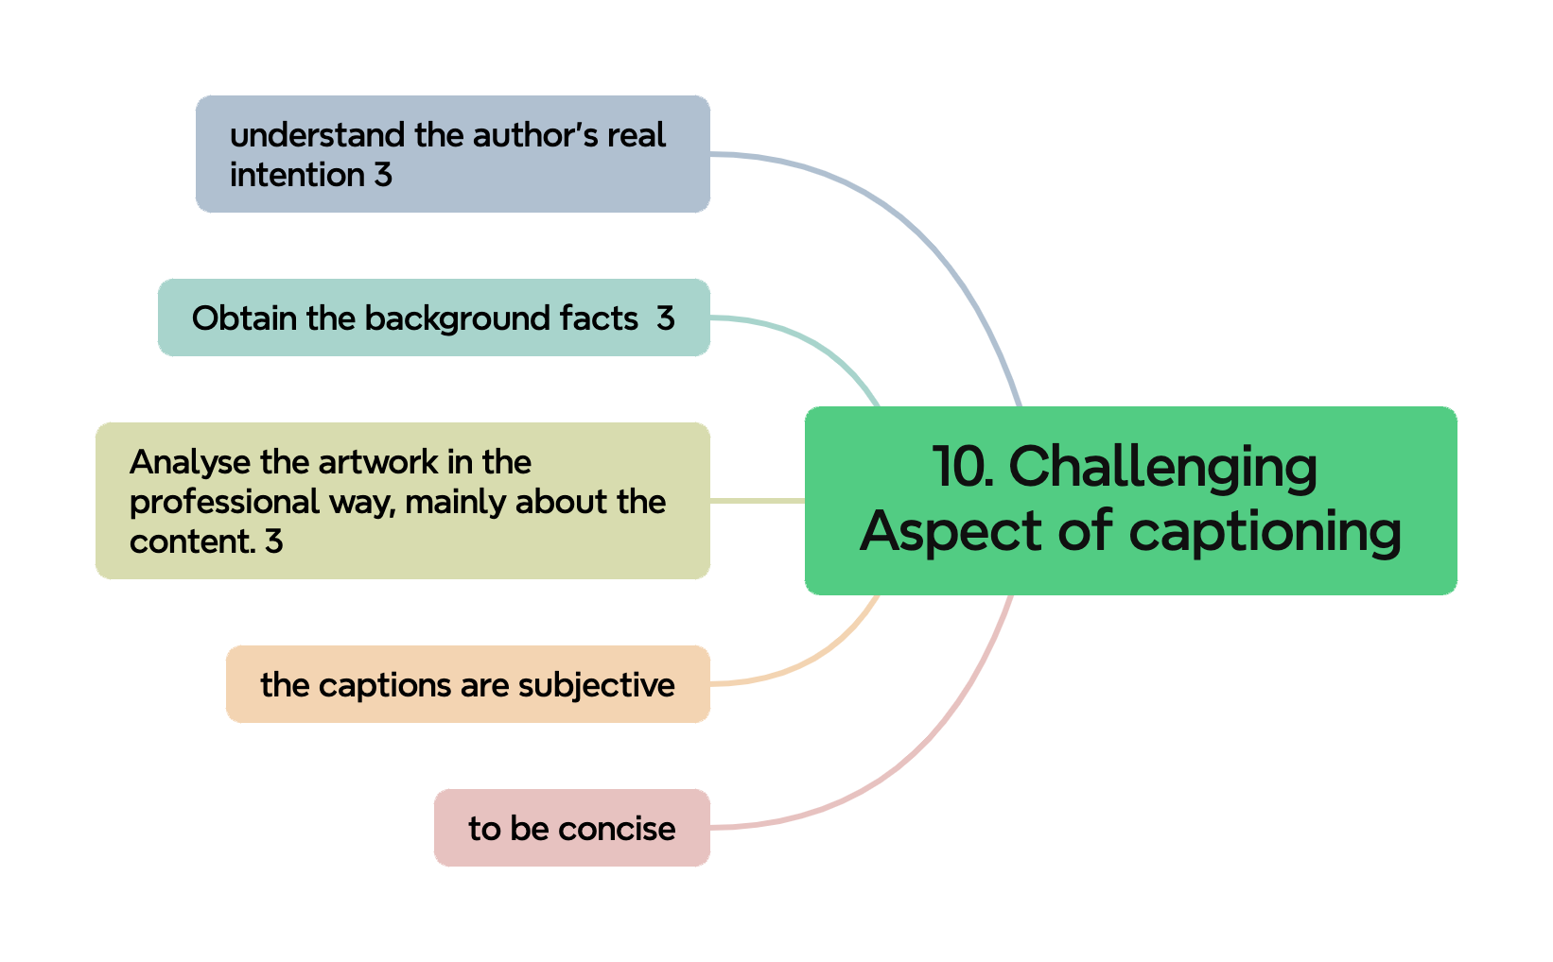
1. Their description | Please see figure Familiar Paintings and Unfamiliar Paintings
2. What they think about classification
3. Aspects they will consider | Please see figure Aspects they consider
4. Order of aspects | Please see the flow chart
5. Importance of these aspects | Please see the sheet "importance of different aspects"
6. The ideal length of the caption | Please see figure ideal length of captions
7. How to Deal with the Subjectivity of Captions | Please see figure How to deal with the subjectivity of caption
8. What are the related factors that affect emotions? | Please see figure 8. What are the related factors that affect emotions?
9. What background events should mention? | Please see figure 9. What background events should mention?
10. What aspects are more challenging? | Please see figure Challenging aspects of captioning
11. The feedback of our ontology example

